Comment log
Editor colors | Are the Global, Region, Cluster geographical levels needed? | Switch purpose to campaign objective | Campaign name as a free field | Content coverage | Remove audiences | Organic versus Paid Social | Organic versus Paid Social | Add a UTM character count | Clean up the file!! | Referral for intra ecosystem links | Ad provider tab | Replace Leaflet Medium by Print
Selen | Bingye to check | 1- We can call Purpose --> Campaign Objective. I have also included things I could think of in the drop down component | 2- I know we discussed making campaign name as a free field - as another option I have turned "Marketing Priority" into Campaign, covering a lot of campaign names - but I believe this can be a free field as we discussed. | 3- In Medium, how to ensure we can cover Content as well? The content would be something that would require a free fill at the end - should there be a seperate link here to reflect that? Markets can follow a guidance that we define (ie. content length/format-name as stated in medium tab) | 4- Audiences - this might be something we can remove, but we might hide for now and check with local markets if they really need this component | Commenter, 5.If local markets launch some organic social posts, not sure they are able to select "organic social" as it is not a paid campaign, in this case, how we can automatically define the traffic out of paid social is organic? | what is the difference between this one and social ads, are we going to divide the social into paid social and organic social ? | 6- @Vincent, would it be possible to add a UTM count here somewhere? Even though the UTMs can extend to longer characters, sometimes platforms might have some character limitations that we can keep an eye on for the count | 7- @Vincent, would be good to organise the above section with the changes in mind now (removing audience for now, updating name, including Content etc) | Note from Selen: Do we need Referral - local website to reflect sources like Wiki from France or any other local websites that local markets might have?? | Added "Ad provider" | Yop, just did it
Bingye |  | Done | Agreed | 3.Not sure if I understand well the intention of this, we already include the content name in the campagn name, so we just keep medium as simple as possible? | 4.Yes, I think we can remove/hide it if it is not valuable for our UTM Definition | 5- Channels - Agree to Bingye's question around Social / Social Ads. Also, we definitely need a Display for Brand activities as well. | I think one (=social) is traffic coming from the social pages of Royal Canin, say you have a post linking to the Hub or something like this. The other (=social ads) would be for ads specifically designes for social media, linking to an asset of the Royal Canin ecossytem. | Done | Done | We want to avoid using UTMs within the ecosystem at this stage. This artificially split sessions into 2 sessions, which will be an issue as long as "Sessions" is a KPI that is looked at | Not sure on this one - or how it could work. Might be a good one to check with markets to understand it is doable or not.
Vincent |  |  | Just to make sure we align on this - are we keeping it as Free Fill or using the drop down I have provided? Brand Side of Campaigns names are more managable but for any other local campaigns, it would still be a challenge and that drop down would need to be updated. | @Bingye - the purpose is to track what Content is being used within the medium as we have different creative sizes. Campaign name would be Start of Life but Content might be a 6" Video or Native Banners - so with only Campaign name, you wouldn't be able to differentiate the contents being used there. | Done | See similar thread in column G. | Bingye's Feedback: Cool, then for social we have organic social and paid social |  |  |  | Removed it, I think it is covered by sources. I would need your confirmation for remarketting platforms, I don't know enough about how platforms work.
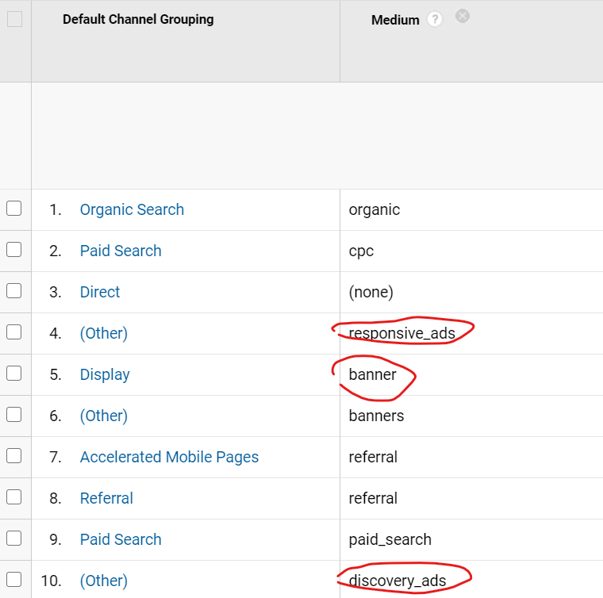
Ariane |  |  | Bingye's Feedback: as we have discussed last time, if necessary we just keep few common campaign names, for other local campaign the local markets can add it or not? If yes, then we just keep few common campaign names. | Bingye's feedback Thank you Selen, understand your purpose,but I cannot see the content in the "Medium sheet". Meanwhile, I think you are talking about adveristing format as well. So for Medium builder, do we need to combine medium + advertising format? I just took a look at GA, the advertising format do exist in the medium category:) see pic right |  |  | I think Social Ads are no problem to be differentiate - as long as the Organic Social is identifiable as in the list (=social), then I think that makes sense.
 |  |  | Can you have a look at the current version see if it works? Do try to think "what is the campaign name" but rather "does the builder collects all the information I need to see in google analytics". Then we can choose together what should be part of campaign name, medium, etc, also according to best practices. | Actually the formats that you see in "Medium" are due to wrong tagging. There should not be format there.@Selen: I added a Content builder as well, that takes the ad placement (or something similar, and a free text. I think @Bingye that the format can fit in the Free text part Bingye's feedback :Thank you Vincent, that makes sense. But my question is we might need to enrich the ad-placement with the source sheet together |  |  | Bingye's Feedback: Cool, then for social we have organic social and paid social
 |  |  |  |  |  |  | Correct, taken into account now as different medium

